Feuil2
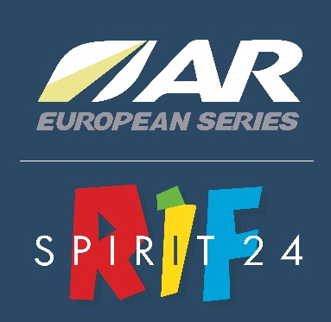
 |  | Name of the team
 |  | Country of the team
 |  | Team website
 |  | The name of the team must have the maximum length of 24 caracteres and the country 3 (ex: AUS)

 | Captain | 1st team member | 2nd team member | 3rd team member
First name
Last name
Sex (F or M)
Date of birth (dd/mm/yyyy)
Adress
Zip code
City
Country
Email
Mobil Phone N°
Emergency N°
Payment | Bank transfert

ARWS races - Ranking
2017
2018
2019

Others races - Ranking

Media coverage

File to return to : rifspirit@raidinfrance.fr

Registration will be confirmed only after full payment of the registration fee.

