Feuil1
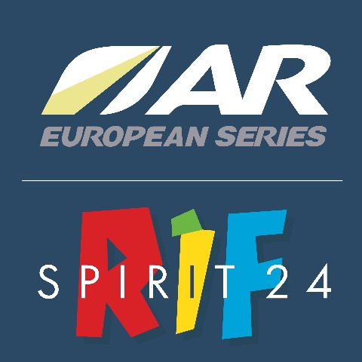

 |  |  |  | BOOKING FORM

 |  |  |  | (Price) = the final price will depend of the number of booking
 |  |  |  | Dead line for booking form return : March 01 2022

 | TEAM NAME

 |  |  | Free Gratuit | Free Gratuit | (60€) to be confirmed A confirmer

 |  |  | Kayak *
 | First Name | Last Name | ** Paddle Pagaies | ** Life jacket Gilet de sauvatage | Paddle Bag ARWS (1 per team)

Captain |  |  | 0 | 0 | 0
Racer 1 |  |  | 0 | 0
Racer 2 |  |  | 0 | 0
Racer 3 |  |  | 0 | 0
Friends
 |  |  | 0 | 0 | 0

Thank you fill in the fields desired by the number 1
* Basic kayaking equipment (double paddles, life jacket) : Free - loaned by the organisation
** : limited number

